Sheet2
Enter mobile number

Mobile number is required to invest in India

91 | 8826766031

SEND OTP

Sheet3


1
2
3

4
5
6
7
8
9

.
0

Sheet4
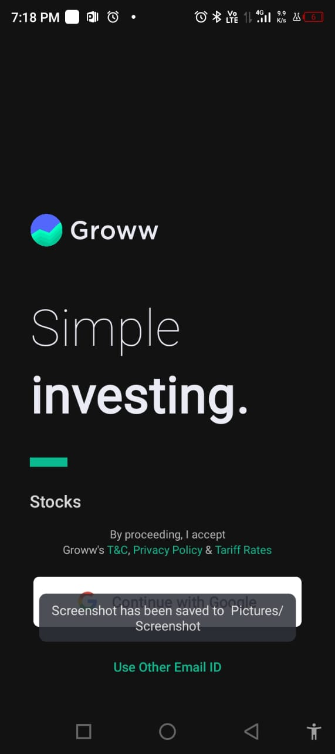

continue with google

Sheet5
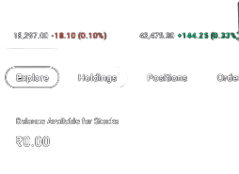 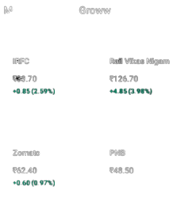 | Search Groww

 | 18.297 | 18.1 | 43.473 | 144.25(0.33%)

 | Explore | Holdings | Position | Order

 | Balance Available for stocks
 | Rs 0.00
 | More on Groww
 | IRFC Rs 33.70 |  | Rail Vikas Nigam Rs 126.70

 | Zomato Rs 62.40 |  | PNB Rs 48.50

